Sensitivity - Profit
x_B | w2 | w1 | w3 |  | x_N | s2 | s1 | s3

 | 4 | 2 | 1 |  |  | 0 | 1 | 0
B | 2 | 3 | 2 |  | N | 1 | 0 | 0
 | 5 | 1 | 3 |  |  | 0 | 0 | 1
 |  |  |  |  |  |  |  |  | c
B^-1 | 0.30434782609 | -0.21739130435 | 0.04347826087 |  |  | e_2 | e_1 | e_3 | 50
 | 0.17391304348 | 0.30434782609 | -0.26086956522 |  |  | 1 | 0 | 0 | 40
 | -0.5652173913 | 0.26086956522 | 0.34782608696 |  |  | 0 | 1 | 0 | 60
 |  |  |  |  |  | 0 | 0 | 1
B^-1 * b | 9.1304347826
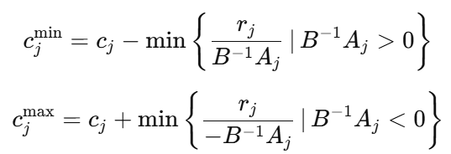
 | 5.2173913043
 | 3.0434782609

B^-1 * e_1 | 0.30434782609 |  | B^-1 * e_2 | -0.21739130435 |  | B^-1 * e_3 | 0.04347826087
 | 0.17391304348 |  |  | 0.30434782609 |  |  | -0.26086956522
 | -0.5652173913 |  |  | 0.26086956522 |  |  | 0.34782608696

 | -30 |  |  | 42 |  |  | -210
 | -30 |  |  | -17.142857143 | 17.142857143 |  | 20
 | 5.3846153846 |  |  | -11.666666667 | 11.666666667 |  | -8.75

allowable
decrease | -30 |  |  | -11.666666667 |  |  | -8.75
increase | 5.3846153846 |  |  | 42 |  |  | 20

range | 20 |  |  | 28.333333333 |  |  | 51.25
 | 55.384615385 |  |  | 82 |  |  | 80

